frequency
Population | is circle? | is square? | is triangle? |  | Shape | frequency | relative frequency
circle | 1 |  |  |  | circle | 7 | 0.38888888889
square |  | 1 |  |  | square | 5 | 0.27777777778
triangle |  |  | 1 |  | triangle | 6 | 0.33333333333
square |  | 1
circle | 1 |  |  |  |  |  | 1
square |  | 1
triangle |  |  | 1
circle | 1
square |  | 1
circle | 1
triangle |  |  | 1
square |  | 1
circle | 1
triangle |  |  | 1
circle | 1
circle | 1
triangle |  |  | 1
triangle |  |  | 1

TOTAL | 7 | 5 | 6 | 18

avg
Weight
147.4
147.1
146.9
146.8
146.5
146.2 | Average or Mean
146
 | 146.7
1026.9
 | 146.7

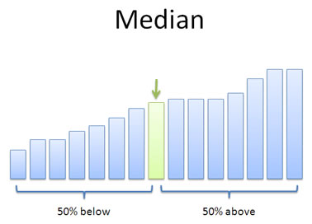
 | Median

 | 146.8

 | 146.8

